Sheet1
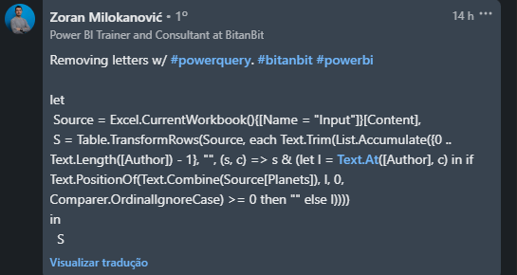
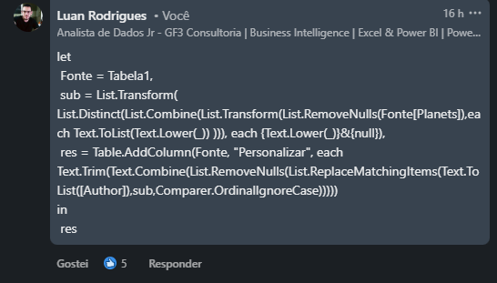
Planets | Author | Answer Expected
Mercury | Astrid Lindgren | d Ldg
Venus | Debbie Macomber | Dbb ob
Earth | Naoki | ok
Mars | EL James | L
Jupiter | Tite Kubo | Kbo
Saturn | Eiji Yoshikawa | okw
Uranus | Catherine Ann Cookson | ooko
Neptune | Stephenie Meyer
 | Norman Bridwell | o Bdwll
Remova as letras em inglês que aparecem na coluna Planetas da Coluna do autor.

